Feature Importance
Feature Importance

Feature Importance
Feature | Mean Decrease Gini
Fasting Blood Sugar | 4.1222944155
Sex | 6.9497946559
Resting Electrocardiographic Results | 8.384673359
Exercise Induced Angina | 18.418242649
Slope of Peak Exercise ST Segment | 23.112972564
Resting Blood Pressure | 25.316651831
Age | 27.899150481
ST Depression Induced by Exercise | 28.389624925
Maximum Heart Rate Achieved | 33.713350419
Serum Cholestoral | 36.459391622
Major Vessels Colored by Fluoroscopy | 40.780621482
Chest Pain | 41.874106487
Thalium Heart Scan | 61.485586477

ROC Curve
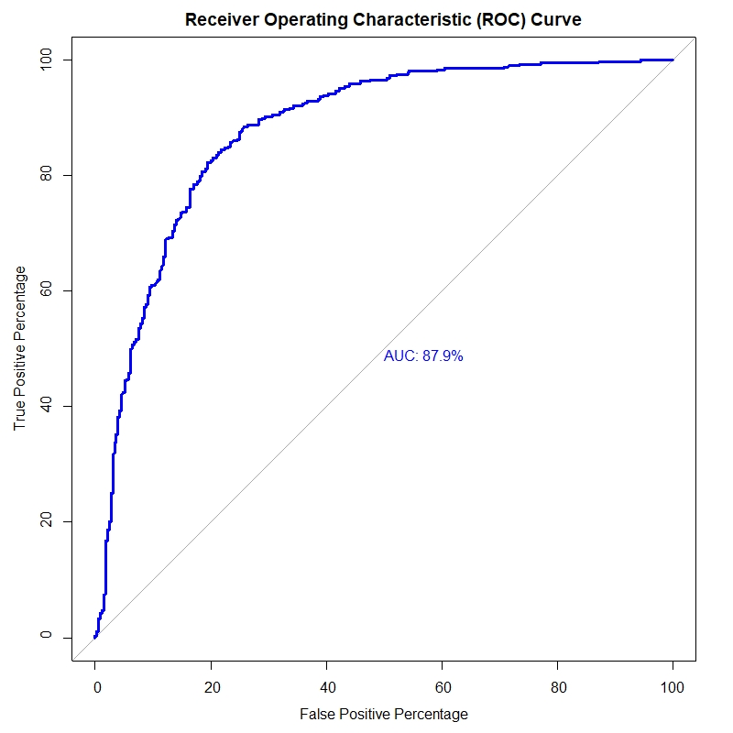
Receiver Operating Characteristics (ROC) Curve

Log Loss
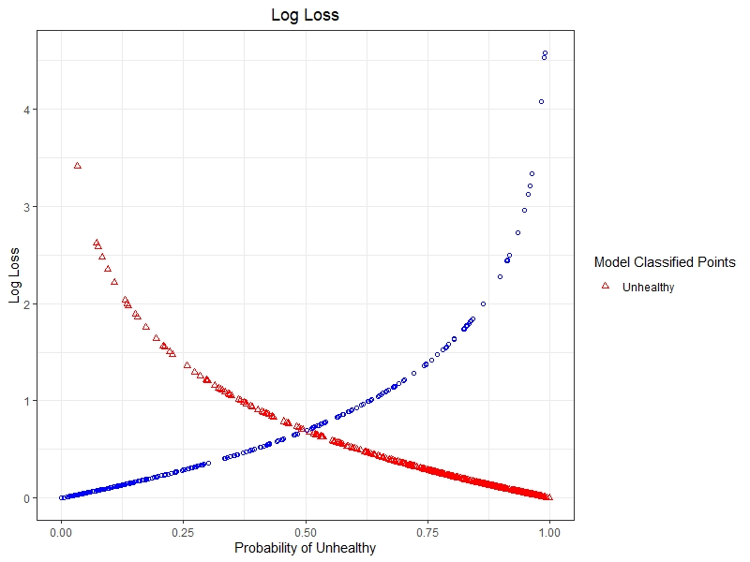
Log Loss

Global Log Loss: | 0.4373363

Number of Nodes
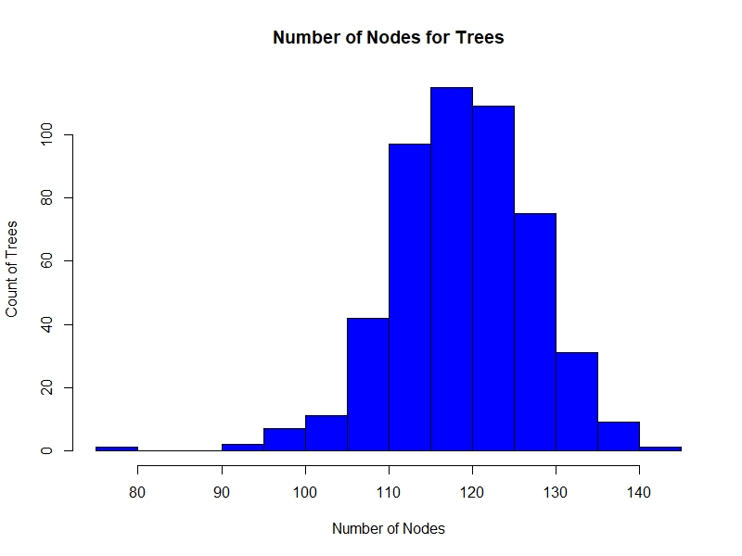
Number of Nodes for Trees

Optimal Trees
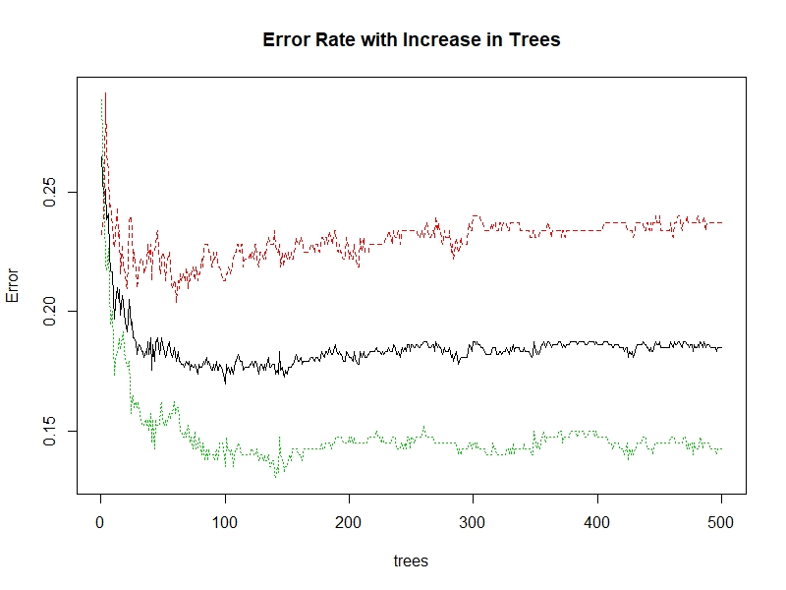
Change in Error Rate with Trees

Optimal mtry
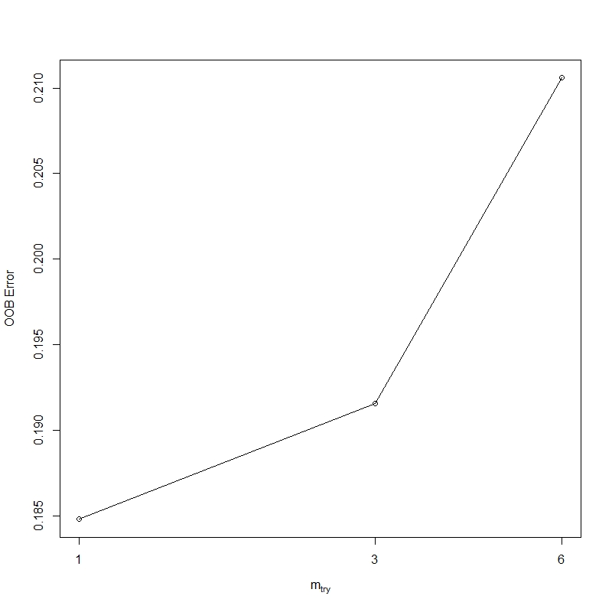
Optimize mtry - Number of variables available for splitting at each node

Correlogram
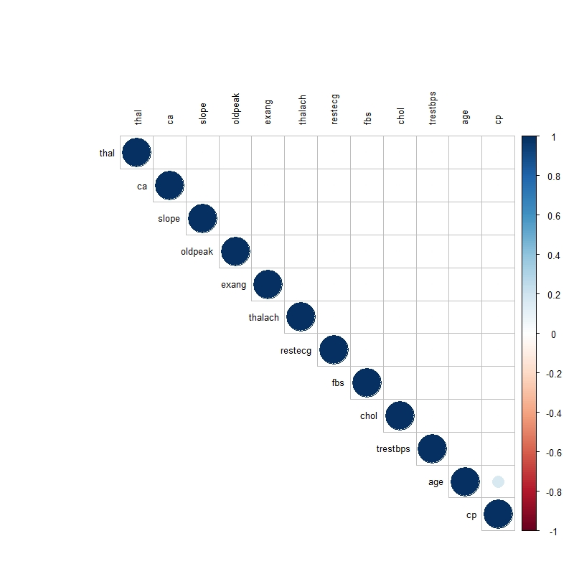
Correlogram

